Sheet1
1. For each 487 gain range in turn, input known current from high impedance source to 487 and, with the rotary switch set to C,
either record the voltage displayed on the 417 LCD or connect the display out to a voltmeter. Record all values in following table.

 | 487 Gain Range (V/A) | Current Range | Input Current | Units | 417 LCD Reading (V) | Calibration factor
 | 1.00E+05 | 1µA-100µA | 10 | µA | 1.00000001 | 9.99999990E+03
 | 1.00E+06 | 100nA-10µA | 1 | µA | 1.00000001 | 9.99999990E+02
 | 1.00E+07 | 10nA-1µA | 100 | nA | 1.00000001 | 9.99999990E+01
 | 1.00E+08 | 1nA-100nA | 10 | nA | 1.00000001 | 9.99999990E+00
 | 1.00E+09 | 100pA-10nA | 1 | nA | 1.00000001 | 9.99999990E-01
 | 1.00E+10 | 10pA-1nA | 100 | pA | 1.00000001 | 9.99999990E-02

2. Windows 7/8- Go to c:\users\Public\Public Documents\Bentham\BenWin+\Configurations;
Windows XP- Go to C:\Documents And Settings\All Users\Shared Documents\Bentham\BenWin+\Configurations

3. Open Configuration.xml (alternative configuration names may be used) in notepad and scroll down to Amp section

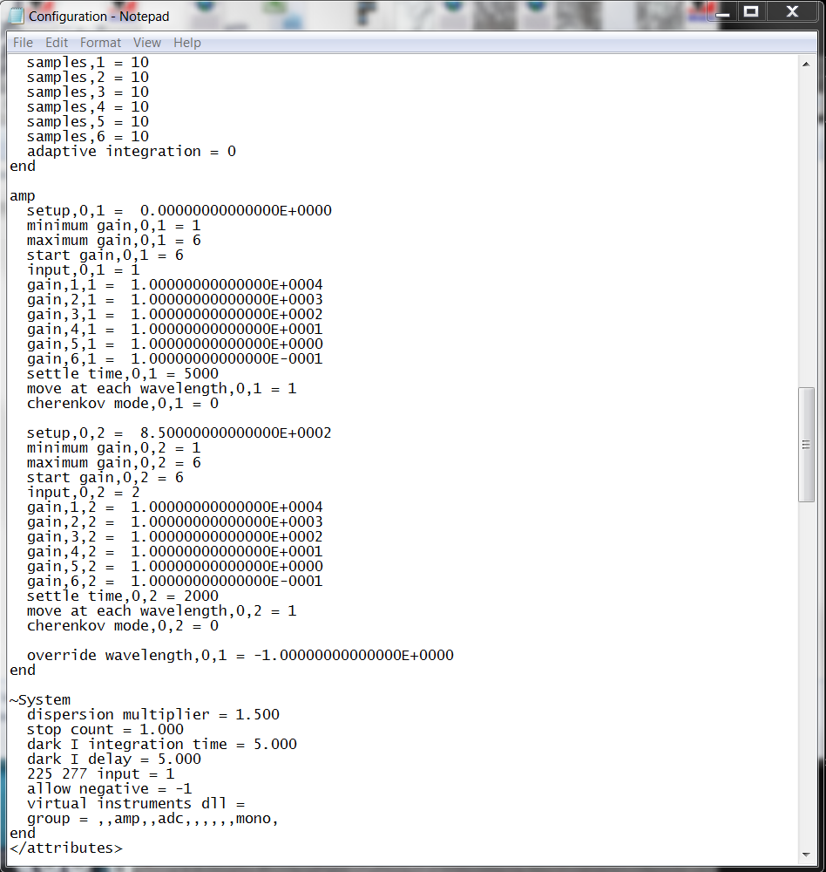

3. Open Configuration.xml (alternative configuration names may be used) in notepad and scroll down to Amp section

4. For input 1, overwrite these values..
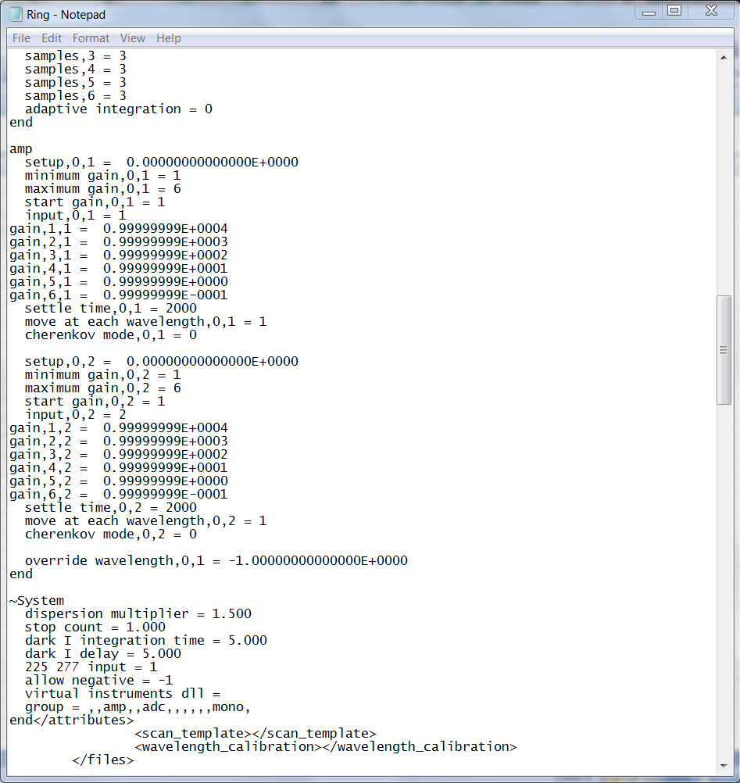

…with these (copy and paste).

 | gain,1,1 = 0.99999999E+0004
 | gain,2,1 = 0.99999999E+0003
 | gain,3,1 = 0.99999999E+0002
 | gain,4,1 = 0.99999999E+0001
 | gain,5,1 = 0.99999999E+0000
 | gain,6,1 = 0.99999999E-0001

5. For input 2, overwrite these values..

…with these (copy and paste).

 | gain,1,2 = 0.99999999E+0004
 | gain,2,2 = 0.99999999E+0003
 | gain,3,2 = 0.99999999E+0002
 | gain,4,2 = 0.99999999E+0001
 | gain,5,2 = 0.99999999E+0000
 | gain,6,2 = 0.99999999E-0001

6. Benwin+ will re-format the numbers as required when the configuration is next used.

